Learn M
Solving tricky problems like this gets way easier when you know M.
Inside the course, I break down these exact scenarios with clear explanations and real-world examples.
Enroll Today

 | https://products.goodly.co.in/learn-m-powerquery/?

If you prefer reading, I’ve written a book too - Power Query Beyond the User Interface
It’s full of real-world M examples that go beyond the Power Query editor.
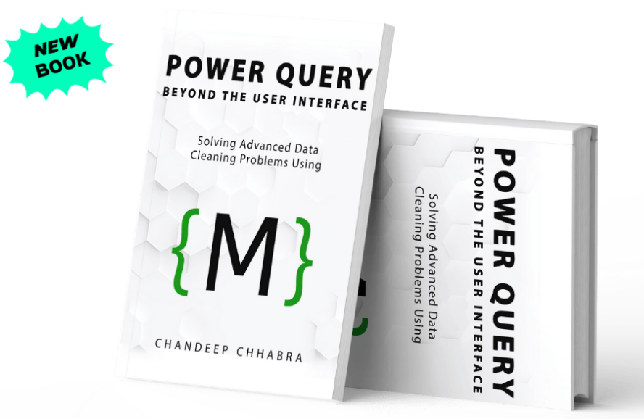

 |  | Grab Your Copy Today

Sheet2
OUTPUT
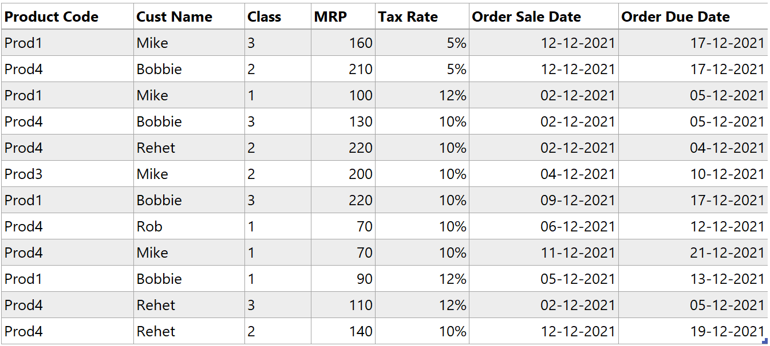
 | Product Code | Cust Name | Class | MRP | Tax Rate | Order Sale Date | Order Due Date
 | Prod1 | Mike | 3 | 160 | 0.05 | 2021-12-12 | 2021-12-17
 | Prod4 | Bobbie | 2 | 210 | 0.05 | 2021-12-12 | 2021-12-17
 | Prod1 | Mike | 1 | 100 | 0.12 | 2021-12-02 | 2021-12-05
 | Prod4 | Bobbie | 3 | 130 | 0.1 | 2021-12-02 | 2021-12-05
 | Prod4 | Rehet | 2 | 220 | 0.1 | 2021-12-02 | 2021-12-04
 | Prod3 | Mike | 2 | 200 | 0.1 | 2021-12-04 | 2021-12-10
 | Prod1 | Bobbie | 3 | 220 | 0.1 | 2021-12-09 | 2021-12-17
 | Prod4 | Rob | 1 | 70 | 0.1 | 2021-12-06 | 2021-12-12
 | Prod4 | Mike | 1 | 70 | 0.1 | 2021-12-11 | 2021-12-21
 | Prod1 | Bobbie | 1 | 90 | 0.12 | 2021-12-05 | 2021-12-13
 | Prod4 | Rehet | 3 | 110 | 0.12 | 2021-12-02 | 2021-12-05
 | Prod4 | Rehet | 2 | 140 | 0.1 | 2021-12-12 | 2021-12-19

